Sheet1
UCLA TRAVEL REIMBURSEMENT / EXPENSE REQUEST |  |  |  |  |  |  |  |  |  | 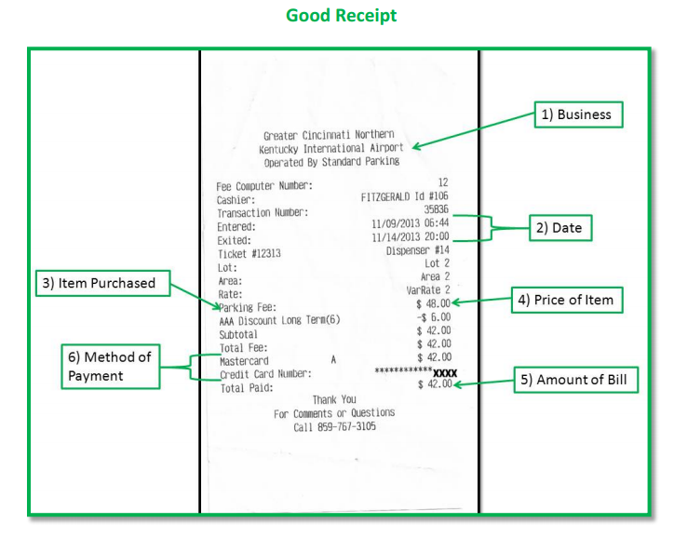 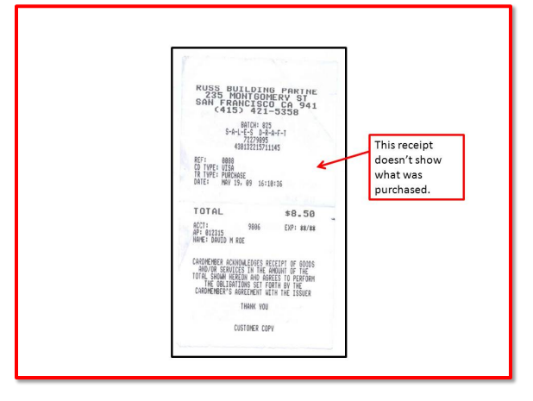
YOUR NAME: |  |  | EMAIL: |  |  |  | PHONE:
TRAVEL DATES |  | START: |  |  |  | FINISH:
NAME OF EVENT/CONFERENCE
(PLEASE DO NOT USE ACRONYMS. WRITE OUT THE COMPLETE NAME)
STATE PURPOSE OF TRAVEL IN DETAIL
WHAT, WHY, WHEN, WHERE, AND HOW IT RELATES TO UCLA
ARE YOU EMPLOYED BY UCLA? |  |  |  |  | YOUR SIGNATURE:
Your Address:
Is there personal time in this trip? If yes, explain:
RECHARGE ID: |  |  |  | UC ID:

DATE | LIST DAILY EXPENSES |  | AMOUNT | *Form of Payment | DATE | LIST DAILY EXPENSE |  | AMOUNT | *Form of Payment
Example | UBER FROM HOME TO LAX |  |  | CC

 |  |  |  |  |  | TOTAL EXPENSE REQ'D |  | $-
* CC = Credit Card $$ = Cash CK = Check

PROFESSOR'S SIGNATURE |  |  |  |  |  |  | TODAY'S DATE

RECEIPTS: Itemized meal and hotel receipts showing what was purchased must be submitted. A credit card receipt is not considered itemized. Please make every effort to include all of your receipts. If you have lost or are unable to turn in a receipt, please be sure to include a signed and dated note that indicates what the expense was for and that a receipt is not available.
MEALS DURING TRAVEL
Daily meal cap for meals on travel and incidental expenses in the US is $74 per person (M & IE), but you may claim only actual expenditures. Per diem is not an option for domestic travel.

When the entire length of a trip is fewer than 24 hours: Meals for single-day travel will not be reimbursed unless the travel includes an overnight stay that is verified by a lodging receipt.

An exception to the overnight stay requirement may be allowed when a travel incurs a meal expense in connection with a business meeting (e.g., a working lunch scheduled as an integral part of a meeting or conference). Please provide a detailed description.

ENTERTAINMENT MEALS: Maximum per-person rates for entertainment and business meeting meals.
$27 Breakfast
$47 Lunch
$81 Dinner - You must claim what you actually spent. This is not like foreign travel. It is not a per diem.
$19 Light Refreshments

Please visit http://www.travel.ucla.edu for helpful travel resources.

